LV28_If_Then
Problem

$$ax^{2}+bx+c=0$$
$$ax^{2}+bx+c=0$$
Consider the equation:
Write a program in which the user inputs the coefficients of a quadratic equation and the program displays "equation has two real roots", "equation has 2 complex roots", or "equation has repeated root", both as a screen output and lebeled input/output in spreadsheet.
 | User Inputs for Coefficients of:
User Instructions: | a=
$$ax^{2}+bx+c=0$$
This program will calculate how many real, complex or repeated roots exist for a,b,c values for the equation: | b=
1. Input the coefficients into the yellow highlighted cells (C6, C7, C8) | c=
2. Press the button labeled LV28_If_Then
3. The answer will display itself in the appropriate cells | Number and Type of Roots Below in Cell B11:

$$ax^{2}+bx+c=0$$
*Various input test runs to get complex, real and repeat: | User Inputs for Coefficients of:
 | a= | 1
 | b= | 0
 | c= | 0

 | Number and Type of Roots Below in Cell B11:
 | Equation has One Repeated Root

$$ax^{2}+bx+c=0$$
 | User Inputs for Coefficients of:
 | a= | 1
 | b= | -5
 | c= | 0

 | Number and Type of Roots Below in Cell B11:
 | Equation has Two Real Roots

$$ax^{2}+bx+c=0$$
 | User Inputs for Coefficients of:
 | a= | 1
 | b= | 0
 | c= | 2

 | Number and Type of Roots Below in Cell B11:
 | Equation has Two Complex Roots

LV32a2_MacL_ATan
The MacLaurin series expansion for the inverse tangent is
$$\tan^{−1}\left(x\right)=x−\left(\frac{x^{3}}{3}\right)+\left(\frac{x^{5}}{5}\right)−\left(\frac{x^{7}}{7}\right)+…$$
Write a program to enter $x$ and using a while loop, continue the loop until a tolerance of $0.5×{10}^{−4}$ has been reached. Try your series out with $x=2$. Include labeled input and output.
Problem
 |  | User Input Values | Value | Calculated Value | Value (deg to rad)
 |  | x= |  | x in radians=
 |  | Tolerance =

 |  | Iteration | Approximation | Final Approximation=
 |  |  |  | Total Iterations=

 |  |  |  |  |  | *Produced after executing the macro for the desired values | User Input Values | Value | Calculated Value | Value (deg to rad)
 |  |  |  |  |  |  | x= | 2 | x in radians= | 0.034906585039887
 | User Instructions |  |  |  |  |  | Tolerance = | 0.0005
 | This program will calculate the value of arctan for a given value of x
 | 1. Input the value of x that's desired in the yellow highlighted cell in degrees |  |  |  |  |  | Iteration | Approximation | Final Approximation= | 0.034892407501395
 | 2. Input the desired tolerance into the yellow hightlighted cell (i.e. current approximaton - last) |  |  |  |  |  | 1 | 3.490658503989E-02 | Total Iterations= | 2
 | 3. The data will then be output to the sheet in the appropriate cells |  |  |  |  |  | 2 | 3.489240750140E-02

 | We should note that any value outside of the bounds of [-1,1] will always end up terminating
 | due to hitting the defined limits. If x is greater then these values then it will fail to converge
 | thereby causing our error to take off exponentially which means there will be no end to our
 | iterations.

Exercise 5.14
Exercise 5.14
Write a program to evaluate the following integral with the trapezoid rule with 16 intervals
$$\int_{0}^{1}{\frac{0.002⋅\left(4x^{2}−x^{3}\right)dx}{\left(0.1+\sin\left(0.063x\right)\right)}}$$

Solution:

 | User Instructions
 | 1. Place the number of intervals "n", value for a, "a", and value for b, "b", into the highlighted cells
 | 2. Click the macro button below to run the program for the equation listed in the problem statement to run at the desired value for n intervals
 | 3. The output should be listed in the the table below (Note* done with trapezoid rule)
 |  |  |  | *Test run done using the macro button, the copy pasted into these cells
 | Variable | User Input | Approximation for Desired n, a, and b below | Variable | User Input | Approximation for Desired n, a, and b below
 | n= |  |  | n= | 16 | 0.014921917869
 | a= |  |  | a= | 0
 | b= |  |  | b= | 1

$$Δx=$$
$$Sum of all$$
$Intervals, Σ$=
$$Δx=$$
$$Sum of all$$
$Intervals, Σ$=
$$Interval, i$$
$$f(a+iΔx)$$
$$\frac{Δx}{2}⋅Σ=$$
$$Interval, i$$
$$f(a+iΔx)$$
$$\frac{Δx}{2}⋅Σ=$$
 | Calculation Output Table |  |  | Calculation Output Table
 |  |  |  |  | 0.0625 | 0.47750137181
 |  |  |  |  |  | 0.014921917869
 |  |  |  | 0 | 0
 |  |  |  | 1 | 0.00059192729787
 |  |  |  | 2 | 0.0022450770126
 |  |  |  | 3 | 0.0047949391142
 |  |  |  | 4 | 0.0080993976153
 |  |  |  | 5 | 0.012035049554
 |  |  |  | 6 | 0.016494226475
 |  |  |  | 7 | 0.02138256683
 |  |  |  | 8 | 0.026617023951
 |  |  |  | 9 | 0.032124221085
 |  |  |  | 10 | 0.037839084926
 |  |  |  | 11 | 0.043703704145
 |  |  |  | 12 | 0.049666370855
 |  |  |  | 13 | 0.055680771692
 |  |  |  | 14 | 0.061705301967
 |  |  |  | 15 | 0.067702481567
 |  |  |  | 16 | 0.03681922772

Exercise 5.15
Exercise 5.15
Write a program to evaluate the integral in Exercise 5.14 using Simpson's 1/3 rule with the trapezoid rule with 16 intervals
$$\int_{0}^{1}{\frac{0.002⋅\left(4x^{2}−x^{3}\right)dx}{\left(0.1+\sin\left(0.063x\right)\right)}}$$

Solution

 | User Instructions
 | 1. Place the number of intervals "n", value for a, "a", and value for b, "b", into the highlighted cells
 | 2. Click the macro button below to run the program for the equation listed in the problem statement to run at the desired value for n intervals
 | 3. The output should be listed in the the table below (Note* done with Simpson's 1/3 rule)
 |  |  |  | *Test run done using the macro button, the copy pasted into these cells
 | Variable | User Input | Approximation for Desired n, a, and b below | Variable | User Input | Approximation for Desired n, a, and b below
 | n= | 16 |  | n= | 16 | 0.014906604856
 | a= | 0 |  | a= | 0
 | b= | 1 |  | b= | 1

$$Δx=$$
$$Sum of all$$
$Intervals, Σ$=
$$Δx=$$
$$Sum of all$$
$Intervals, Σ$=
$$Interval, i$$
$$f(a+iΔx)$$
$$\frac{Δx}{3}⋅Σ=$$
$$Interval, i$$
$$f(a+iΔx)$$
$$\frac{Δx}{3}⋅Σ=$$
 | Calculation Output Table |  |  | Calculation Output Table
 |  | 0.0625 |  |  | 0.0625 | 0.71551703309
 |  |  |  |  |  | 0.014906604856
 |  |  |  | 0 | 0
 |  |  |  | 1 | 0.0011838545957
 |  |  |  | 2 | 0.0022450770126
 |  |  |  | 3 | 0.0095898782284
 |  |  |  | 4 | 0.0080993976153
 |  |  |  | 5 | 0.024070099107
 |  |  |  | 6 | 0.016494226475
 |  |  |  | 7 | 0.04276513366
 |  |  |  | 8 | 0.026617023951
 |  |  |  | 9 | 0.06424844217
 |  |  |  | 10 | 0.037839084926
 |  |  |  | 11 | 0.08740740829
 |  |  |  | 12 | 0.049666370855
 |  |  |  | 13 | 0.11136154338
 |  |  |  | 14 | 0.061705301967
 |  |  |  | 15 | 0.13540496313
 |  |  |  | 16 | 0.03681922772

Assignment_3
Assignment 3
 | Use excel (not VBA) to evaluate the following integral using the Trapezoid Rule with n=14
$$\int_{0}^{1}{\sqrt{1−x^{2}} dx}$$

Solution:
 | Our formula for the trapezoid rule is the following:

 | Variables | Values | Formula / Input
 | n= | 14 | Initial Input
 | a= | 0 | Initial Input
 | b= | 1 | Initial Input
$$Δx=$$
 |  | 0.071428571429 | =(C13-C12)/C11
$$\frac{Δx}{2}=$$
 |  | 0.035714285714 | =C14/2

$$i$$
$$a+iΔx$$
$$f(a+iΔx)$$
$$factor⋅f(a+iΔx)$$
$$Sum\left(factor⋅f\left(a+iΔx\right)\right)⋅\frac{Δx}{2}$$
 |  |  | factor
0 | 0 | 1 | 1 | 1 | 0.77979801
1 | 0.071428571429 | 0.99744571741 | 2 | 1.9948914348 | =E33*C15
2 | 0.14285714286 | 0.98974331861 | 2 | 1.9794866372
3 | 0.21428571429 | 0.97677102366 | 2 | 1.9535420473
4 | 0.28571428571 | 0.9583148475 | 2 | 1.916629695
5 | 0.35714285714 | 0.93404977362 | 2 | 1.8680995472
6 | 0.42857142857 | 0.90350790291 | 2 | 1.8070158058
7 | 0.5 | 0.86602540378 | 2 | 1.7320508076
8 | 0.57142857143 | 0.82065180665 | 2 | 1.6413036133
9 | 0.64285714286 | 0.76598609248 | 2 | 1.531972185
10 | 0.71428571429 | 0.69985421222 | 2 | 1.3997084244
11 | 0.78571428571 | 0.61858957413 | 2 | 1.2371791483
12 | 0.85714285714 | 0.51507875364 | 2 | 1.0301575073
13 | 0.92857142857 | 0.37115374448 | 2 | 0.74230748896
14 | 1 | 0 | 1 | 0
$$Sum (factor⋅f\left(a+iΔx\right))=$$
 | =$C$12+(A:cell with i *$C$14) | =SQRT((1-(B25^2))) |  | 21.834344342

Assignment_4
Assignment 4
 | Use excel (not VBA) to evaluate the following integral using Simpson's 1/3 Rule with n=14
$$\int_{0}^{1}{\sqrt{1−x^{2}} dx}$$

Solution:
 | Our equation for simpson's 1/3 rules is the following:

 | Variables | Values | Formula / Input
 | n= | 14 | Initial Input
 | a= | 0 | Initial Input
 | b= | 1 | Initial Input
$$Δx=$$
 |  | 0.071428571429 | =(C13-C12)/C11
$$\frac{Δx}{3}=$$
 |  | 0.02380952381 | =C14/3

$$i$$
$$a+iΔx$$
$$f(a+iΔx)$$
$$factor⋅f(a+iΔx)$$
$$Sum\left(factor⋅f\left(a+iΔx\right)\right)⋅\frac{Δx}{3}$$
 |  |  | factor
0 | 0 | 1 | 1 | 1 | 0.78319969
1 | 0.071428571429 | 0.99744571741 | 4 | 3.9897828696 | =E33*C15
2 | 0.14285714286 | 0.98974331861 | 2 | 1.9794866372 | Our final approximation here seems to fit with being roughly 3/4 of our overall area under the curve
3 | 0.21428571429 | 0.97677102366 | 4 | 3.9070840946
4 | 0.28571428571 | 0.9583148475 | 2 | 1.916629695
5 | 0.35714285714 | 0.93404977362 | 4 | 3.7361990945
6 | 0.42857142857 | 0.90350790291 | 2 | 1.8070158058
7 | 0.5 | 0.86602540378 | 4 | 3.4641016151
8 | 0.57142857143 | 0.82065180665 | 2 | 1.6413036133
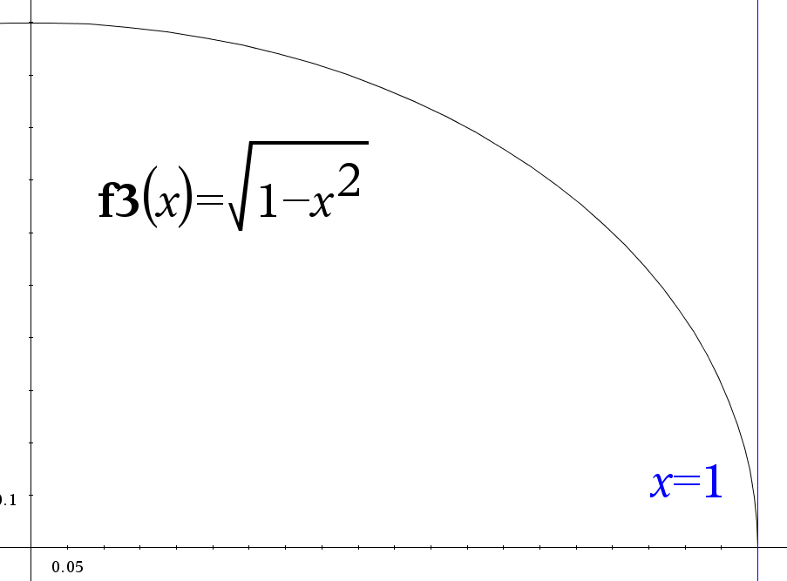
9 | 0.64285714286 | 0.76598609248 | 4 | 3.0639443699
10 | 0.71428571429 | 0.69985421222 | 2 | 1.3997084244
11 | 0.78571428571 | 0.61858957413 | 4 | 2.4743582965
12 | 0.85714285714 | 0.51507875364 | 2 | 1.0301575073
13 | 0.92857142857 | 0.37115374448 | 4 | 1.4846149779
14 | 1 | 0 | 1 | 0
$$Sum (factor⋅f\left(a+iΔx\right))=$$
 | =$C$12+(cell with i *$C$14) | =SQRT((1-(B25^2))) |  | 32.894387001

$$\int_{0}^{1}{\sqrt{1−x^{2}} dx}=$$
 |  | 0.78319969

Assignment_5
Assignment 5
Consider the integral
$$\frac{2}{π}\int_{0}^{0.8}{e^{−\frac{t^{2}}{2}}}dt$$

Evaluate this integral with the trapezoid rule and 16 intervals in excel (not VBA).
Solution:
 | Our formula for the trapezoid rule is the following:

 | Variables | Values | Formula / Input
 | n= | 16 | Initial Input
 | a= | 0 | Initial Input
 | b= | 0.8 | Initial Input
$$Δx=$$
 |  | 0.05 | =(C13-C12)/C11
$$\frac{Δx}{2}=$$
 |  | 0.025 | =C14/2
$$\frac{2}{π}=$$
 |  | 0.63661977237 | Initial Input: 2/pi()

$$i$$
$$a+iΔx$$
$$f(a+iΔx)$$
$$factor⋅f(a+iΔx)$$
$$Sum\left(factor⋅f\left(a+iΔx\right)\right)⋅\frac{Δx}{2}$$
 |  |  | factor
0 | 0 | 1 | 1 | 1 | 0.72215037
1 | 0.05 | 0.99875078092 | 2 | 1.9975015618 | =E33*C15
2 | 0.1 | 0.99501247919 | 2 | 1.9900249584 | Our integral evaluation here seems to match well with our graph. The graph displays a value slightly less than .8 (1 times .8 would be a square box)
3 | 0.15 | 0.98881304461 | 2 | 1.9776260892
4 | 0.2 | 0.98019867331 | 2 | 1.9603973466
5 | 0.25 | 0.96923323448 | 2 | 1.938466469
6 | 0.3 | 0.95599748183 | 2 | 1.9119949637
7 | 0.35 | 0.94058806336 | 2 | 1.8811761267
8 | 0.4 | 0.92311634639 | 2 | 1.8462326928
9 | 0.45 | 0.90370707787 | 2 | 1.8074141557
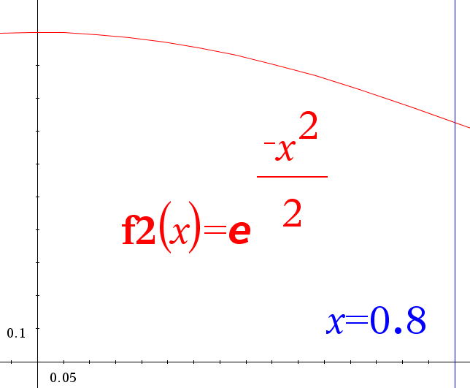
10 | 0.5 | 0.88249690258 | 2 | 1.7649938052
11 | 0.55 | 0.8596327636 | 2 | 1.7192655272
12 | 0.6 | 0.83527021141 | 2 | 1.6705404228
13 | 0.65 | 0.80957164867 | 2 | 1.6191432973
14 | 0.7 | 0.78270453824 | 2 | 1.5654090765
15 | 0.75 | 0.75483960199 | 2 | 1.509679204
16 | 0.8 | 0.72614903707 | 1 | 0.72614903707
$$Sum (factor⋅f\left(a+iΔx\right))=$$
 | =$C$14+(A21*C16) (A21 = i value) | =SQRT((1-(B25^2))) |  | 28.886014734

$$\frac{2}{π}⋅\int_{0}^{0.8}{e^{−\frac{t^{2}}{2}}}dt=$$
 |  | 0.45973520311 | =F21*C18
 | In this last line we now take the calculation of our integral and multiply it by the constant in front of the integral, 2/π

Assignment_6b
$$f\left(x\right)=e^{x}−\sin{x}$$
$$x_{0}=0.5$$
Assignment 6b
Consider the function
and the starting value of
Solve using excel spreadsheet
Solution:
 | From initially doing the problem by hand we saw that our f(x) and f'(x) were the following:
$$f\left(x\right)=e^{x}−\sin\left(x\right), f^{′}\left(x\right)=e^{x}−cos⁡(x)$$
 | Also we used the formula for the Newton-Raphson method:
$$x_{n+1}=x_{n}−\frac{f\left(x_{n}\right)}{f^{′}\left(x_{n}\right)}$$
 | Lastly our Approximate Relative Error was calculated using:
$$ε_{a}=\left|\frac{Current−Previous}{Current}\right|×100$$
$$n$$
$$x_{n}$$
$$f(x_{n})$$
$$f′(x_{n})$$
$$x_{n}−\left(\frac{f\left(x_{n}\right)}{f^{′}\left(x_{n}\right)}\right)$$
$$ε_{a} (as \%)$$
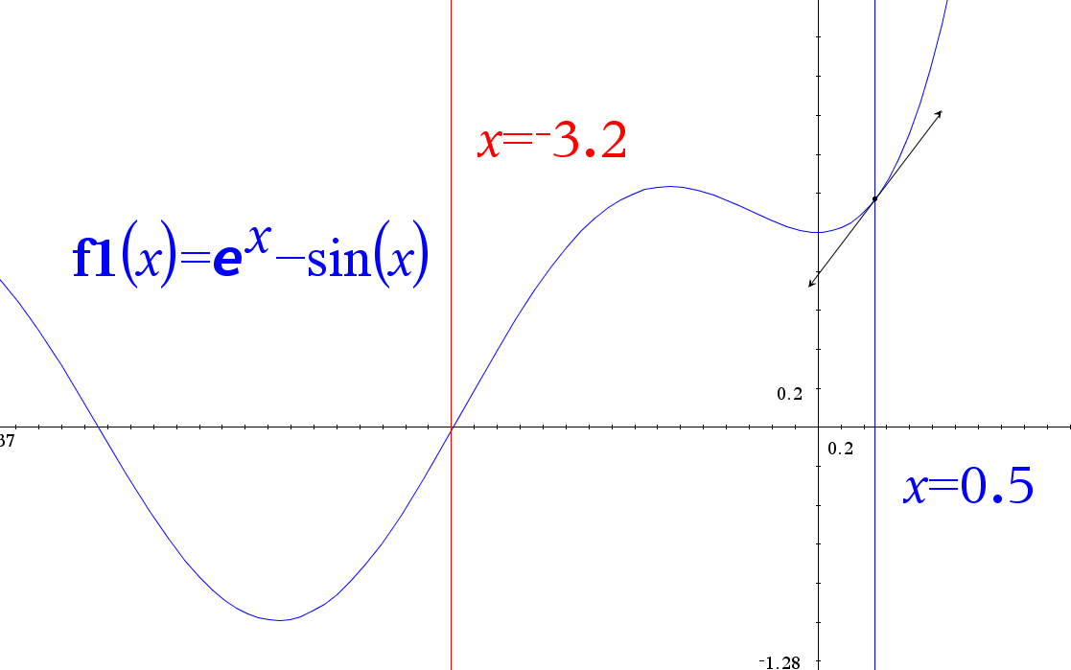
 | As such, the program below provides these computations. We expected a value around -3.2 and here we converge on ~-3.18306
 |  |  |  |  |  |  |  |  |  | We make an interesting note, our quick calculations on excel allow us to realize that our x_0 value eventually does converge
 |  |  |  |  |  |  |  | From | To
 | x_ | 0 | 0.5 | 1.1692957321 | 0.77113870881 | -1.0163234821
 | x_ | 1 | -1.0163234821 | 1.2121012171 | -0.16457208354 | 6.3488455732 | 149.19693472 | x_0 | x_1
 | x_ | 2 | 6.3488455732 | 571.7665763366 | 570.83434429 | 5.3472124689 | 116.00800445 | x_1 | x_2
 | x_ | 3 | 5.3472124689 | 210.8272145578 | 209.42900277 | 4.3405361644 | 18.73187404 | x_2 | x_3
 | x_ | 4 | 4.3405361644 | 77.6803339576 | 77.11202046 | 3.3331661916 | 23.19244136 | x_3 | x_4
 | x_ | 5 | 3.3331661916 | 28.2173439120 | 29.008645873 | 2.3604443336 | 30.22261462 | x_4 | x_5
 | x_ | 6 | 2.3604443336 | 9.8915631017 | 11.305763893 | 1.4855310420 | 41.20926913 | x_5 | x_6
 | x_ | 7 | 1.4855310420 | 3.4209434499 | 4.3321485604 | 0.6958666521 | 58.89565865 | x_6 | x_7
 | x_ | 8 | 0.6958666521 | 1.3643955109 | 1.2379479231 | -0.4062762454 | 113.47926899 | x_7 | x_8
 | x_ | 9 | -0.4062762454 | 1.0613175671 | -0.25247265643 | 3.7974168677 | 271.27918747 | x_8 | x_9
 | x_ | 10 | 3.7974168677 | 45.1956771046 | 45.378410008 | 2.8014437365 | 110.69875285 | x_9 | x_10
 | x_ | 11 | 2.8014437365 | 16.1347781737 | 17.411110648 | 1.8747493687 | 35.55213757 | x_10 | x_11
 | x_ | 12 | 1.8747493687 | 5.5650241798 | 6.818479377 | 1.0585814415 | 49.43030696 | x_11 | x_12
 | x_ | 13 | 1.0585814415 | 2.0106182948 | 2.3921703291 | 0.2180818039 | 77.10015453 | x_12 | x_13
 | x_ | 14 | 0.2180818039 | 1.0273315420 | 0.26737454116 | -3.6242119969 | 385.40567007 | x_13 | x_14
 | x_ | 15 | -3.6242119969 | -0.4374308278 | 0.91245242834 | -3.1448107545 | 106.01735782 | x_14 | x_15
 | x_ | 16 | -3.1448107545 | 0.0398569797 | 1.043069897 | -3.1830219806 | 15.24420004 | x_15 | x_16
 | x_ | 17 | -3.1830219806 | 0.0000426972 | 1.0406021019 | -3.1830630119 | 1.20047007 | x_16 | x_17
 | x_ | 18 | -3.1830630119 | 0.0000000001 | 1.0405987006 | -3.1830630119 | 0.00128905 | x_17 | x_18
 | x_ | 19 | -3.1830630119 | 0.0000000000 | 1.0405987006 | -3.1830630119 | 0.00000000 | x_18 | x_19
 | Formulas used: |  | =G33 | =(EXP(D34))-SIN(D34) | =EXP(D34)-COS(D34) | =D34-(E34/F34) | =ABS((D34-D33)/D34)*100

Assignment_6c
$$f\left(x\right)=e^{x}−\sin{x}$$
$$x_{0}=0.5$$
Assignment 6b
Consider the function
and the starting value of
Solve using VBA
Solution:
 | We make an interesting note, our quick calculations on excel allow us to realize that our x_0 value eventually does converge
 | User Instructions
 | This program will perform a number of Newton-Raphson method iterations for the specified function in the problem statement

 | 1. Press the macro button below to run the program and give the desired x_0 value
 | 2. Also note that if the approximate relative error is below 0.0000001 or 30 iterations have occurred the program will terminate
 |  |  |  | *Produced after running the macro, this gives the same values as our calculations from parts a and b of problem 6
$$n$$
$$x_{n}$$
$$f(x_{n})$$
$$f′(x_{n})$$
$$x_{n}−\left(\frac{f\left(x_{n}\right)}{f^{′}\left(x_{n}\right)}\right)$$
$$ε_{a} (as \%)$$
$$n$$
$$x_{n}$$
$$f(x_{n})$$
$$f′(x_{n})$$
$$x_{n}−\left(\frac{f\left(x_{n}\right)}{f^{′}\left(x_{n}\right)}\right)$$
$$ε_{a} (as \%)$$
 |  | From | To |  |  |  |  |  |  |  | From | To
 |  |  |  | x_ | 0 | 0.5 | 1.1692957321 | 0.77113870881 | -1.0163234821
 |  |  |  | x_ | 1 | -1.0163234821 | 1.2121012171 | -0.16457208354 | 6.3488455732 | 149.19693472 | x_0 | x_1
 |  |  |  | x_ | 2 | 6.3488455732 | 571.76657634 | 570.83434429 | 5.3472124689 | 116.00800445 | x_1 | x_2
 |  |  |  | x_ | 3 | 5.3472124689 | 210.82721456 | 209.42900277 | 4.3405361644 | 18.73187404 | x_2 | x_3
 |  |  |  | x_ | 4 | 4.3405361644 | 77.680333958 | 77.11202046 | 3.3331661916 | 23.192441356 | x_3 | x_4
 |  |  |  | x_ | 5 | 3.3331661916 | 28.217343912 | 29.008645873 | 2.3604443336 | 30.222614624 | x_4 | x_5
 |  |  |  | x_ | 6 | 2.3604443336 | 9.8915631017 | 11.305763893 | 1.485531042 | 41.209269127 | x_5 | x_6
 |  |  |  | x_ | 7 | 1.485531042 | 3.4209434499 | 4.3321485604 | 0.69586665205 | 58.89565865 | x_6 | x_7
 |  |  |  | x_ | 8 | 0.69586665205 | 1.3643955109 | 1.2379479231 | -0.40627624543 | 113.47926899 | x_7 | x_8
 |  |  |  | x_ | 9 | -0.40627624543 | 1.0613175671 | -0.25247265643 | 3.7974168677 | 271.27918747 | x_8 | x_9
 |  |  |  | x_ | 10 | 3.7974168677 | 45.195677105 | 45.378410008 | 2.8014437365 | 110.69875285 | x_9 | x_10
 |  |  |  | x_ | 11 | 2.8014437365 | 16.134778174 | 17.411110648 | 1.8747493687 | 35.552137572 | x_10 | x_11
 |  |  |  | x_ | 12 | 1.8747493687 | 5.5650241798 | 6.818479377 | 1.0585814415 | 49.430306964 | x_11 | x_12
 |  |  |  | x_ | 13 | 1.0585814415 | 2.0106182948 | 2.3921703291 | 0.2180818039 | 77.100154527 | x_12 | x_13
 |  |  |  | x_ | 14 | 0.2180818039 | 1.027331542 | 0.26737454116 | -3.6242119969 | 385.40567007 | x_13 | x_14
 |  |  |  | x_ | 15 | -3.6242119969 | -0.43743082778 | 0.91245242834 | -3.1448107545 | 106.01735782 | x_14 | x_15
 |  |  |  | x_ | 16 | -3.1448107545 | 0.039856979703 | 1.043069897 | -3.1830219806 | 15.244200043 | x_15 | x_16
 |  |  |  | x_ | 17 | -3.1830219806 | 4.2697208797E-05 | 1.0406021019 | -3.1830630119 | 1.2004700679 | x_16 | x_17
 |  |  |  | x_ | 18 | -3.1830630119 | 6.9775976663E-11 | 1.0405987006 | -3.1830630119 | 0.0012890493685 | x_17 | x_18
 |  |  |  | x_ | 19 | -3.1830630119 | 2.1510571102E-16 | 1.0405987006 | -3.1830630119 | 2.106570735E-09 | x_18 | x_19

Textbook_7.2
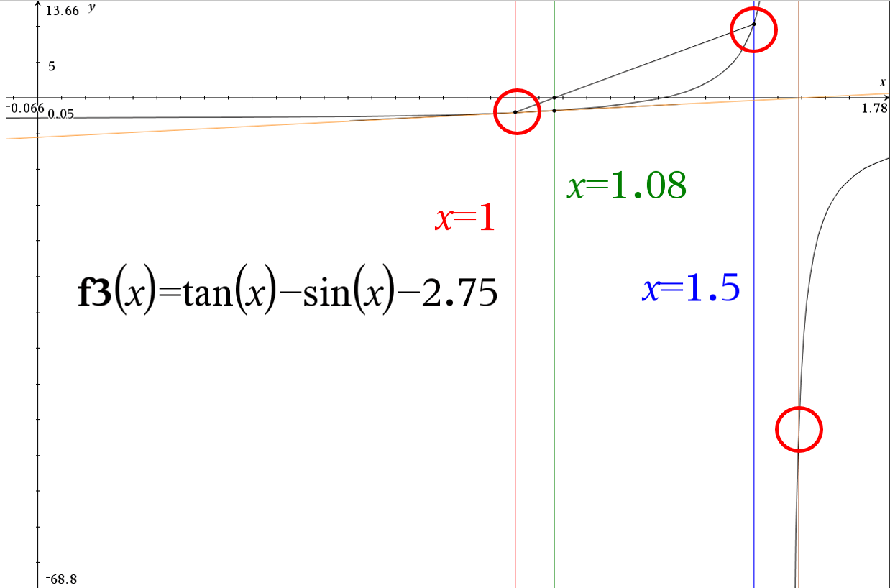
Textbook 7.2
Consider the equation specified in Exercise 7.1. Apply the secant rule to this equation for 3 iterations beyond the starting values.
Compute the approximate relative errors for each iteration.
a. Use x=2.0 and x=4.0 as starting values
b. Use x=1.0 and x=1.5 as starting values
$$f\left(x\right)=\tan\left(x\right)−\sin\left(x\right)−2.75=0$$
Equation from 7.1:
$$ε_{a}\left|\frac{current−previous}{current}\right|×100$$
$$x_{n+1}=x_{n}−\left(\frac{f\left(x_{n}\right)\left(x_{n}−x_{n−1}\right)}{f\left(x_{n}\right)−f\left(x_{n−1}\right)}\right)$$
Note: Equation for approximate relative error: |  |  |  |  |  |  | Note: Equation for the secant rule:

$$n$$
$$x_{n}$$
$$x_{n−1}$$
$$f(x_{n})$$
$f(x_{n−1}$)
$$x_{n+1}$$
$ε_{a}$ (as %)
Part a)
 |  |  |  |  | Numerator | Denominator |  |  | From | To
0 | 2.00000000 | 4.00000000 | -5.84433729 | -0.83537622 | 11.68867458 | -5.00896107 | 4.33355269
1 | 4.33355269 | 2.00000000 | 0.69125457 | -5.84433729 | 1.61307895 | 6.53559186 | 4.08673817 | 53.84849008 | x_0 | x_1
2 | 4.08673817 | 4.33355269 | -0.55528591 | 0.69125457 | 0.13705262 | -1.24654048 | 4.19668456 | 6.03940129 | x_1 | x_2
3 | 4.19668456 | 4.08673817 | -0.11598777 | -0.55528591 | -0.01275244 | 0.43929814 | 4.22571368 | 2.61983924 | x_2 | x_3
4 | 4.22571368 | 4.19668456 | 0.02380488 | -0.11598777 | 0.00069103 | 0.13979266 | 4.22077040 | 0.68696365 | x_3 | x_4
5 | 4.22077040 | 4.22571368 | -0.00090838 | 0.02380488 | 0.00000449 | -0.02471326 | 4.22095209 | 0.11711804 | x_4 | x_5
6 | 4.22095209 | 4.22077040 | -0.00000695 | -0.00090838 | 0.00000000 | 0.00090143 | 4.22095349 | 0.00430469 | x_5 | x_6
7 | 4.22095349 | 4.22095209 | 0.00000000 | -0.00000695 | 0.00000000 | 0.00000695 | 4.22095349 | 0.00003317 | x_6 | x_7
 | (last x_(n+1) | (last x_n) | =TAN(B18)-SIN(B18)-2.75 | =TAN(C18)-SIN(C18)-2.75 | =D18*(B18-C18) | =D18-E18 | =B18-(F18/G18) | =ABS((B18-C18)/B18)*100 | Formulas used
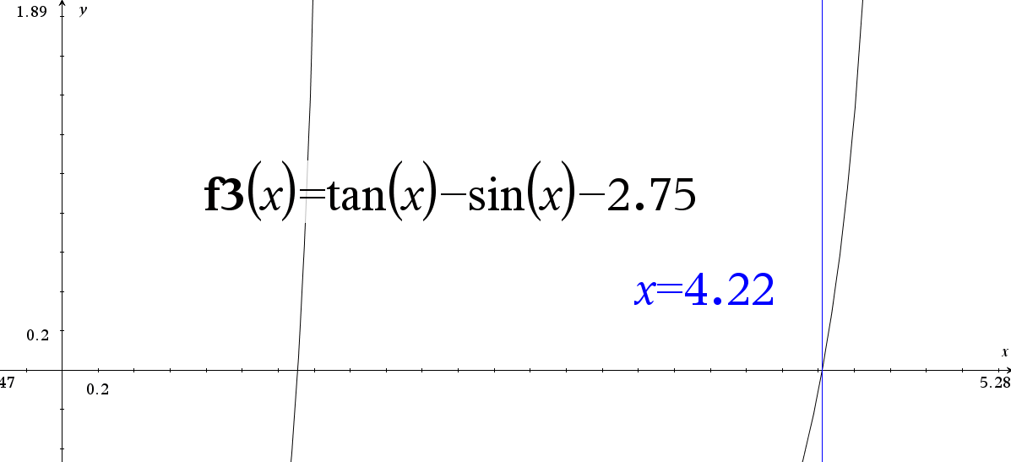 This appears to be correct graphically (value only displays 4.22 but the input value was: 4.2209534941
Part b)
$$n$$
$$x_{n}$$
$$x_{n−1}$$
$$f(x_{n})$$
$f(x_{n−1}$)
$$x_{n+1}$$
$ε_{a}$ (as %)
 |  |  |  |  | Numerator | Denominator |  |  | From | To
0 | 1.00000000 | 1.50000000 | -2.03406326 | 10.35392496 | 1.01703163 | -12.38798822 | 1.08209821
1 | 1.08209821 | 1.00000000 | -1.75224524 | -2.03406326 | -0.14385619 | 0.28181802 | 1.59255597 | 7.58694609 | x_0 | x_1
2 | 1.59255597 | 1.08209821 | -49.69915193 | -1.75224524 | -25.36931774 | -47.94690669 | 1.06344326 | 32.05273597 | x_1 | x_2
3 | 1.06344326 | 1.59255597 | -1.82511248 | -49.69915193 | 0.96569021 | 47.87403945 | 1.04327178 | 49.75467253 | x_2 | x_3
4 | 1.04327178 | 1.06344326 | -1.89760216 | -1.82511248 | 0.03827744 | -0.07248968 | 1.57131169 | 1.93348273 | x_3 | x_4
5 | 1.57131169 | 1.04327178 | -1944.14081645 | -1.89760216 | -1026.58394071 | -1942.24321429 | 1.04275587 | 33.60503927 | x_4 | x_5
6 | 1.04275587 | 1.57131169 | -1.89937641 | -1944.14081645 | 1.00392644 | 1942.24144004 | 1.04223898 | 50.68835630 | x_5 | x_6
7 | 1.04223898 | 1.04275587 | -1.90115021 | -1.89937641 | 0.00098269 | -0.00177380 | 1.59623845 | 0.04959425 | x_6 | x_7
8 | 1.59623845 | 1.04223898 | -43.04609048 | -1.90115021 | -23.84751118 | -41.14494027 | 1.01664079 | 34.70656071 | x_7 | x_8
9 | 1.01664079 | 1.59623845 | -1.98441188 | -43.04609048 | 1.15016049 | 41.06167860 | 0.98863023 | 57.01105725 | x_8 | x_9
10 | 0.98863023 | 1.01664079 | -2.06613721 | -1.98441188 | 0.05787365 | -0.08172533 | 1.69677855 | 2.83326931 | x_9 | x_10
11 | 1.69677855 | 0.98863023 | -11.63766421 | -2.06613721 | -8.24119230 | -9.57152700 | 0.83576731 | 0.41734870 | x_10 | x_11
12 | 0.83576731 | 1.69677855 | -2.38563520 | -11.63766421 | 2.05405871 | 9.25202901 | 0.61375561 | 1.03020449 | x_11 | x_12
13 | 0.61375561 | 0.83576731 | -2.62141791 | -2.38563520 | 0.58198545 | -0.23578272 | 3.08206822 | 0.36172656 | x_12 | x_13
14 | 3.08206822 | 0.61375561 | -2.86908413 | -2.62141791 | -7.08179654 | -0.24766622 | -25.51204772 | 0.80086242 | x_13 | x_14
15 | -25.51204772 | 3.08206822 | -2.77833246 | -2.86908413 | 79.44396033 | 0.09075168 | -900.91142370 | 1.12080834 | x_14 | x_15
16 | -900.91142370 | -25.51204772 | -1.19921880 | -2.77833246 | 1049.79538962 | 1.57911365 | -1565.71182383 | 0.97168196 | x_15 | x_16
17 | -1565.71182383 | -900.91142370 | -4.38058944 | -1.19921880 | 2912.21761472 | -3.18137064 | -650.31467534 | 0.42459946 | x_16 | x_17
18 | -650.31467534 | -1565.71182383 | -2.75999212 | -4.38058944 | -2526.48891404 | 1.62059733 | 908.67155370 | 1.40762185 | x_17 | x_18
19 | 908.67155370 | -650.31467534 | -1.13344335 | -2.75999212 | -1767.02257151 | 1.62654877 | 1995.03465897 | 1.71567628 | x_18 | x_19
20 | 1995.03465897 | 908.67155370 | -2.50303546 | -1.13344335 | -2719.20537327 | -1.36959211 | 9.62210204 | 0.54453345 | x_19 | x_20
21 | 9.62210204 | 1995.03465897 | -2.35402830 | -2.50303546 | 4673.71735488 | 0.14900715 | -31356.10247127 | 206.33875524 | x_20 | x_21
22 | -31356.10247127 | 9.62210204 | -2.48198621 | -2.35402830 | 77849.29572383 | -0.12795790 | 577041.61973846 | 1.00030687 | x_21 | x_22
23 | 577041.61973846 | -31356.10247127 | -2.74776675 | -2.48198621 | -1671735.03331780 | -0.26578055 | -5712865.80334019 | 1.05433941 | x_22 | x_23
24 | -5712865.80334019 | 577041.61973846 | -1.85006871 | -2.74776675 | 11636760.93352900 | 0.89769804 | -18675755.80411537 | 1.10100738 | x_23 | x_24
25 | -18675755.80411537 | -5712865.80334019 | -2.21372733 | -1.85006871 | 28696303.87516661 | -0.36365862 | 60234250.82217394 | 0.69410256 | x_24 | x_25
 | (same formulas as above)
 | It appears that our initial starting values selected did not reduce our overall error or help us to converge. As such it is clear that setting our initial values at 1 and 1.5 were bad starting estimates.
 | Also due to the nature of our function (being a function with tangent) we're also attempting to compute a different root value
 | Lastly, we can see that our second iteration then leads to the next approximations not being "on the same curve" or section of the function. So all of the subsequent iterations yield values
 | without significant meaning

